Hospital
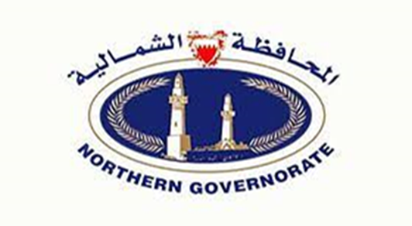 Registered Facilities In Nourth Governorate - August 2024

Private Facilities
Hospital
License_No | CR_No | Facility_Name_Arabic | Facility_Name_English | Facility_Email | Facility_Contact_No | Governorate | Flat | Building | Road_Street | Block | Area | Facility_Website
100101-0030 | 98541 | مستشفى الملك حمد الإرسالية الأمريكية ش.غ .ر | KING HAMAD AMERICAN MISSION HOSPITAL N.P.C | hrcoord@amh.org.bh | (+973) 36605544 | Northern Governorate | 0 | 7 | 32 | 732 | A'ALI
100101-0010 | 59138 | مستشفي الامل ذ م م | AL AMAL HOSPITAL W.L.L | amalinfo@alamalhospital.me | 35360295 | Northern Governorate |  | 1751 | 5445 | 754 | BURI

